Project2131
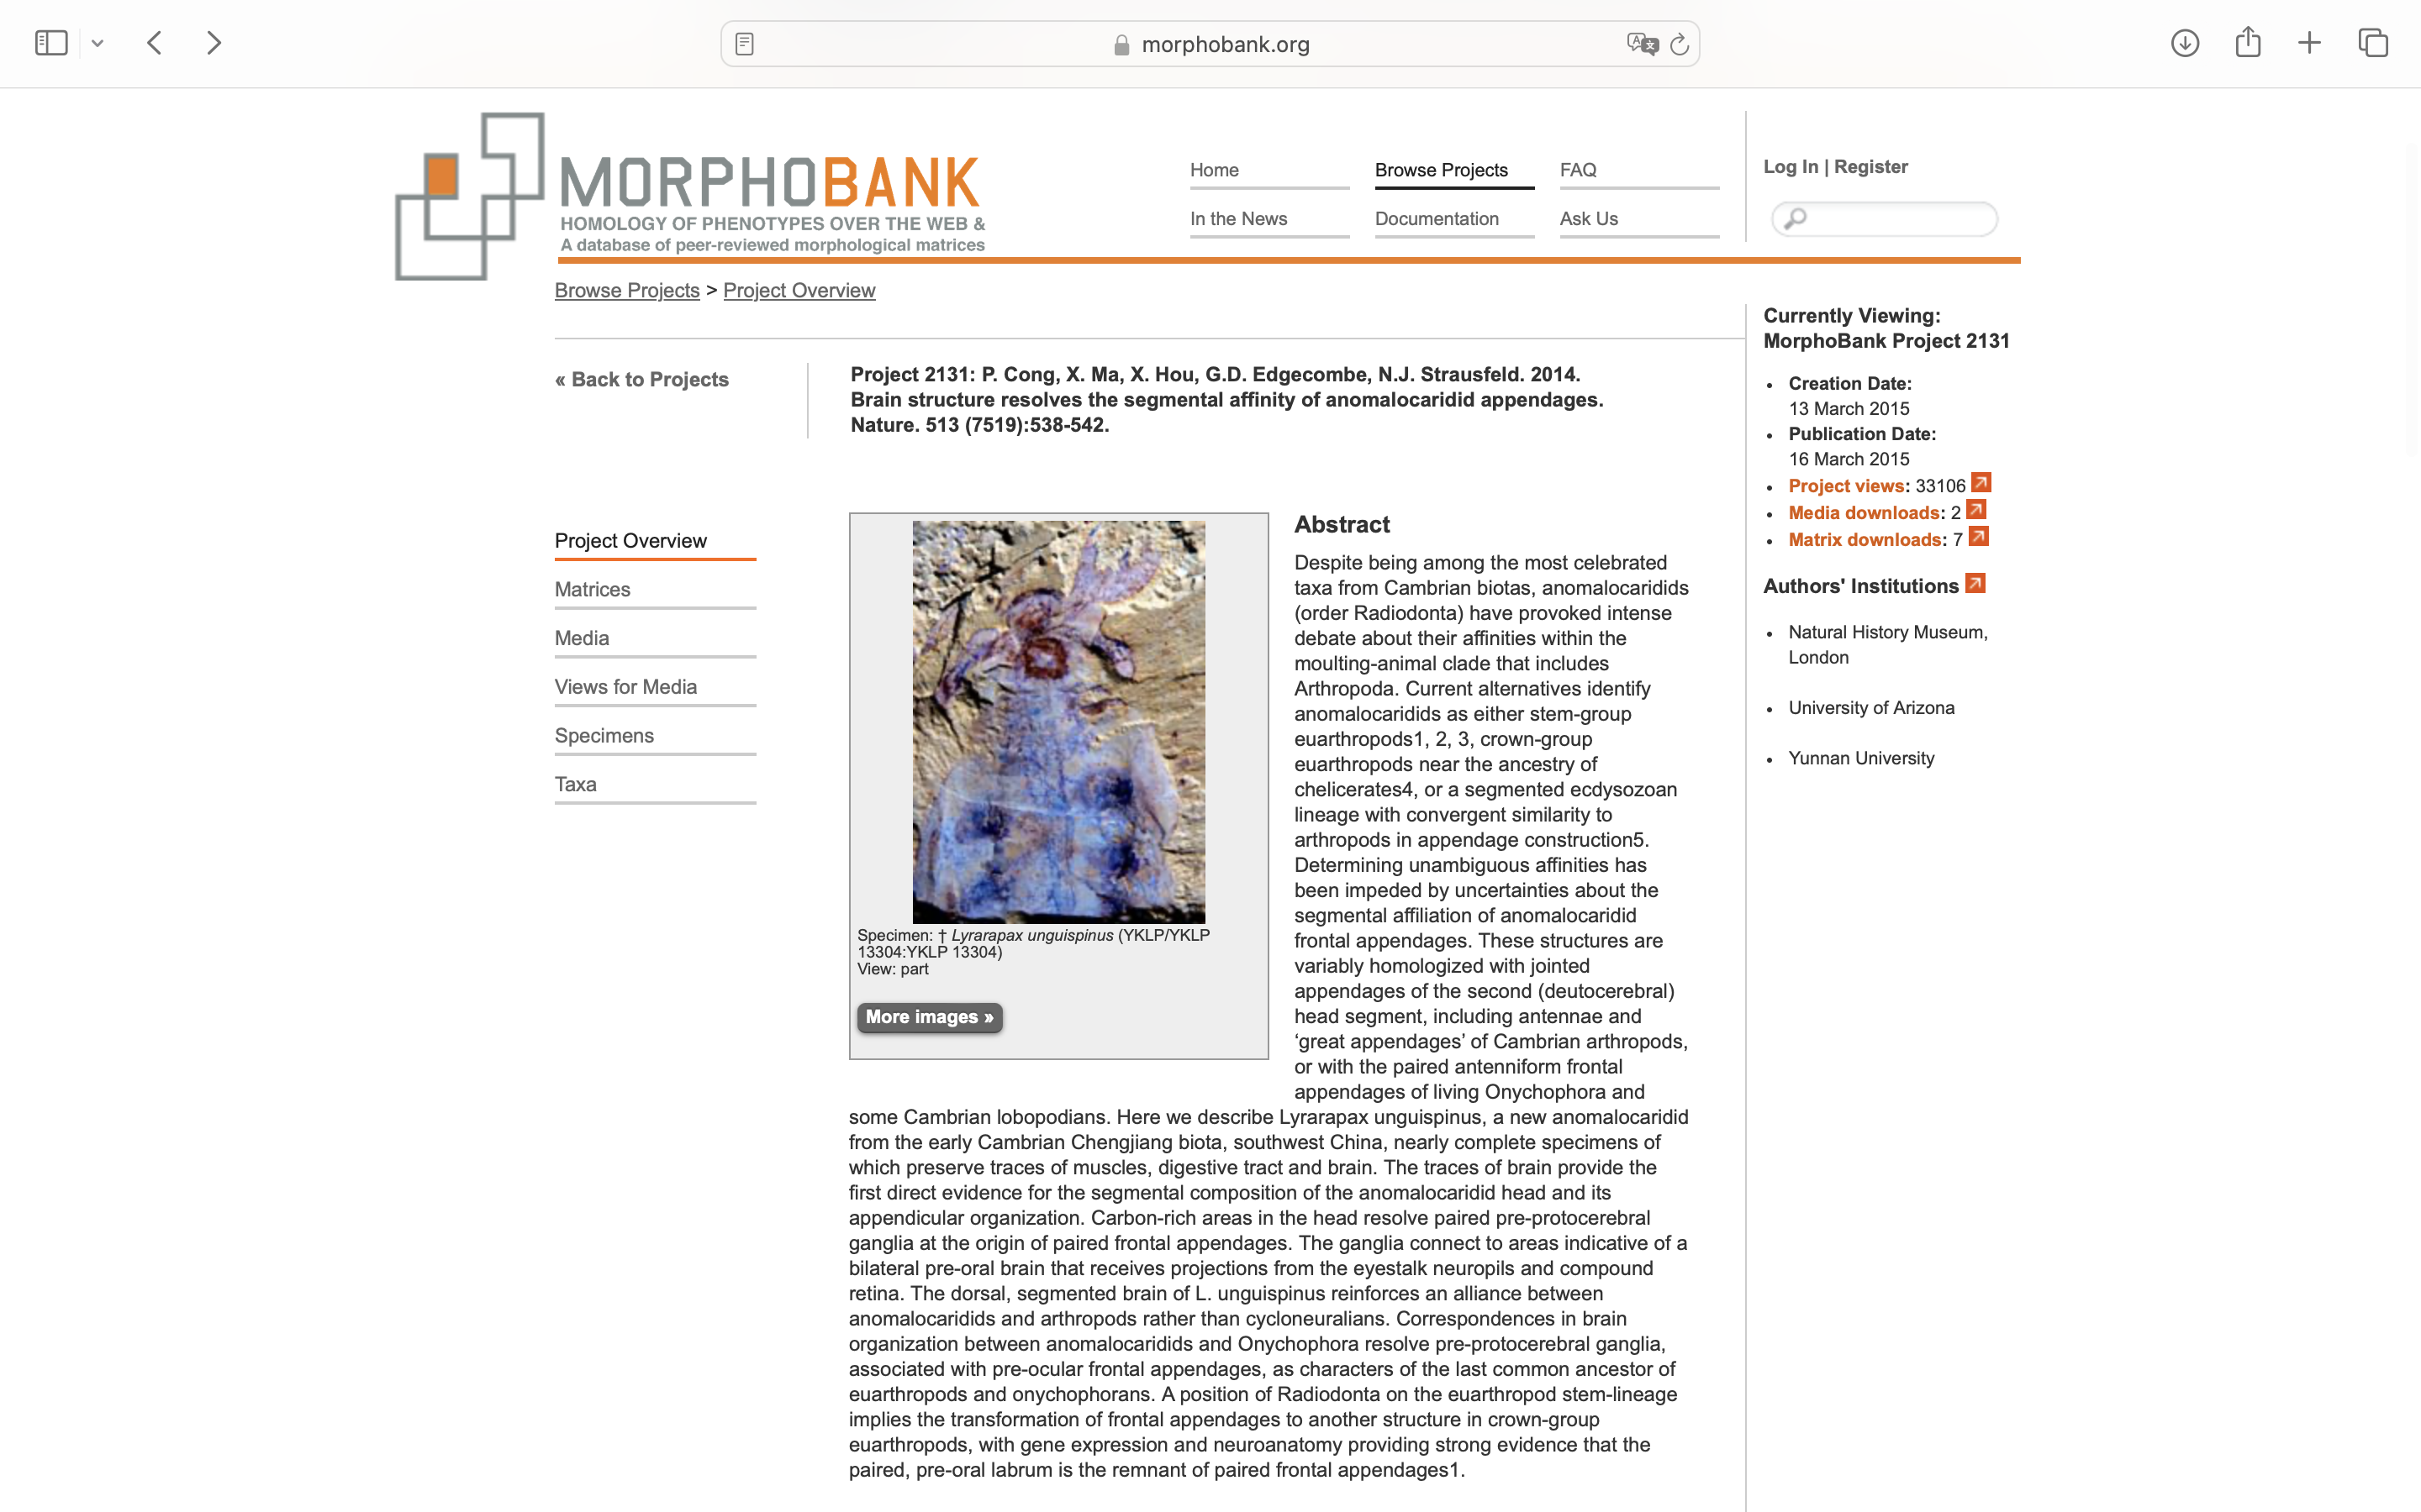
Charlabels | Character Pattern | Unseen States
[1] 'Head sclerotization' | Neomorphic | NO
[2] 'Head size' | Transformational | YES
[3] 'Eyes' | NN;0=00;1=10;2=01
[4] 'Eye stalks' | Neomorphic | NO
[5] 'Preoral scleral plate' | Neomorphic | NO
[6] 'Mouth direction' | Transformational | YES
[7] 'Mouth: sclerotized oral plates arranged in a radial array' | Neomorphic | NO
[8] 'Mouth: scleral plates overlapping' | Neomorphic | NO
[9] 'Mouth: toothplate arrangement' | Transformational | NO
[10] 'Mouth: external surface' | Transformational | YES
[11] 'Mouth: accessory oral plates or spines inside primary oral ring' | Neomorphic | NO
[12] 'Body: division of external surface' | NT?;0=0-;1=11;2=12
[13] 'Body shape' | Transformational | YES
[14] 'Body: relative length of segments' | Transformational | YES
[15] 'Body: sclerotoization' | Neomorphic | NO
[16] 'Gut' | Transformational | YES
[17] 'Paired lateral appendages' | Neomorphic | NO
[18] 'Limb structure' | Transformational | YES
[19] 'Number of appendage pairs (limbs or flap pairs, including frontal appendage)' | Transformational | NO
[20] 'Lateral flaps/exopods' | Neomorphic | NO
[21] 'Function of anteriormost pair of limbs' | Transformational | YES
[22] 'Antenna' | Neomorphic | NO
[23] 'Anteriormost appendage sclerotization' | Neomorphic | NO
[24] 'Frontal appendage: number of articles' | Transformational | NO
[25] 'Frontal appendage: ventral spines' | Neomorphic | NO
[26] 'Frontal appendage: length of distal articles' | Transformational | YES
[27] 'Frontal appendage: curvature' | Transformational | YES
[28] 'Frontal appendage: orientation of terminal spine' | Transformational | YES
[29] 'Frontal appendage: terminal segments bearing distally projecting dorsal spines' | Neomorphic | NO
[30] 'Frontal appendage: form of dorsal spines on terminal segments' | Transformational | YES
[31] 'Frontal appendage: form of ventral spines' | Transformational | YES
[32] 'Frontal appendage: longest spine borne on article 2' | Neomorphic | NO
[33] 'Frontal appendage: width of ventral spines' | Transformational | YES
[34] 'Frontal appendage: ventral spines: variability in width along length of appendage' | Transformational | YES
[35] 'Frontal appendage: ventral spines: orientation of proximal ventral spines' | Transformational | YES
[36] 'Frontal appendage: ventral spines: hypertrophied pincer spine' | Neomorphic | NO
[37] 'Frontal appendage: ventral spines: auxiliary spines' | Neomorphic | NO
[38] 'Frontal appendage: ventral spines:arrangement of anterior auxiliary spines' | Transformational | YES
[39] 'Frontal appendage: ventral spines: curvature of distal tips' | Transformational | YES
[40] 'Frontal appenadge: ventral spines: auxiliary spines: modal number of anterior auxiliary spines' | Transformational | NO
[41] 'Frontal appendage: ventral spines: auxiliary spines: orientation of anterior auxiliary spines' | Transformational | YES
[42] 'Frontal appendage: ventral spines: auxiliary spines: presence on posterior edge of ventral spines' | Neomorphic | NO
[43] 'Frontal appendage: ventral spines: auxiliary spines: number of posterior auxiliary spines' | Transformational | NO
[44] 'Frontal appendage: ventral spines: relative length of adjacent spines' | Transformational | YES
[45] 'Frontal appendage: ventral spines: relative length of lateral and medial spines' | Transformational | YES
[46] 'Frontal appendage: ventral spines: curvature' | Transformational | YES
[47] 'Frontal appendage: ventral spines: auxiliary spines: serial distribution' | Transformational | YES
[48] 'Trunk legs' | Neomorphic | NO
[49] 'Trunk legs: sclerotization' | Neomorphic | NO
[50] 'Flap length' | Transformational | YES
[51] 'Dorsal blades ("gills")' | Neomorphic | NO
[52] 'Dorsal blades: distribution' | Transformational | YES
[53] 'Flaps, rays/striations' | NT?;0=0-;1=11;2=12
[54] 'Tail: tailfan' | Neomorphic | NO
[55] 'Tail: furcae/streamers' | Neomorphic | NO

